(3) Selection_K-Beauty_NonMedi
K-Beauty_Non-Medical Selection Sheet for Schedule

 |  | Name (M or F) : | : Michael Hong |  |  | Passport No. : | : DMC 0000000000
 |  | Birth Date : | : Feb. OO, 197X(Age: 5X) |  |  | Arrival Flight Schedule (Local Time): | : Departure - Mar. 10. 2026. 03:30 (Dubai) / Arrival - Mar. 10. 2026. 16:50 (Incheon)
 |  | VIPs Contact. : | : +971-00-00-000 / : example@example.com |  |  | Departure Flight Schedule (Local Time) : | : Departure - Mar. 19. 2026. 23:40 (Incheon) / Arrival - Mar. 20. 2026. 05:05 (Dubai)

Premium Package Category |  |  |  |  |  | Check (ex.) | Remarks | Customer Requirement
Package |  |  | Package detail | Duration (activity + transfer) | Estimated Price (USD)
K-Beauty (Non-Medical) | Body Therapy | Silver | Purpose * Daily fatigue relief and muscle relaxation * Light recovery without strong stimulation or devices * Entry-level body therapy for first-time spa users Core Inclusions * Manual massage–based body therapy * Medium or light pressure * Partial or basic full-body coverage * No advanced devices or functional slimming technology | 60-120min | 412.53 - 575.96
 |  | Gold | Purpose * Deeper muscle recovery and circulation improvement * Body balance, lymphatic flow, and line refinement * Noticeable physical effect beyond relaxation Core Inclusions * Full-body treatment * Medium to deep pressure * Thermal elements, lymphatic techniques, or spa-specific technology * Optional detox or body line–focused care | 90-150min | 539.47 - 1,078.93
 |  | Diamond | Purpose * Targeted body transformation or premium sensory experience * Slimming, deep detox, or rare luxury ingredients * Destination-level body therapy Core Inclusions * Full-body ritual or intensive device-based care * Advanced technology (ultrasound, pressure & temperature control) * Long-duration or highly specialized programs | 120-240min | 674.33 - 2,380 | ✔

Premium Package Category |  |  |  |  |  | Check (ex.) | Remarks | Customer Requirement
Package |  |  | Package detail | Duration (activity + transfer) | Estimated Price (USD)
K-Beauty (Non-Medical) | Signature treatments | Silver | Purpose Recovery-focused signature experience Body therapy + simple facial combination Core Inclusions Warm stone or calming body therapy Short ritual structure Stress & jet lag recovery focus | 120min | 840.93
 |  | Gold | Purpose * Emotional relaxation and shared experience * Sensory immersion rather than medical effect Core Inclusions * Multi-step ritual * Body scrub + body therapy * Couple or private suite experience | 150min | 840.93
 |  | Diamond | Purpose * Brand-defining spa journey * Cultural storytelling + full ritual experience Core Inclusions * Scrub + detox + body therapy + facial * Long duration * Most comprehensive Signature treatment | 150min | 840.93 | ✔
 | Facial collection | Silver | Purpose * Skin recovery and rejuvenation * Practical, no-downtime facial care Core Inclusions * Device-based facial technology * Cleansing, hydration, circulation improvement | 90min | 650.53
 |  | Gold | Purpose * Personalized skin improvement * Texture, contour, and radiance enhancement Core Inclusions * Skin analysis * Bespoke treatment protocol * Reshaping and hydration care | 90min | 714
 |  | Diamond | Purpose * Instant visible results with premium cosmeceutical technology * Flagship facial experience Core Inclusions * Exclusive treatment method (Second Skin) * High-concentration active ingredients * No-downtime, high-impact result | 75min | 888.53 | ✔

Premium Package Category |  |  |  |  |  | Check (ex.) | Remarks | Customer Requirement
Package |  |  | Package detail | Duration (activity + transfer) | Estimated Price (USD)
K-Beauty (Non-Medical) | Henna | Henna at Seoul | 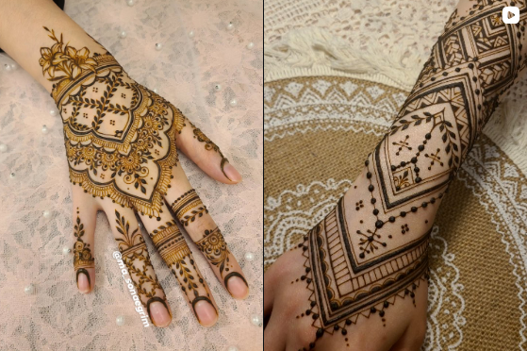 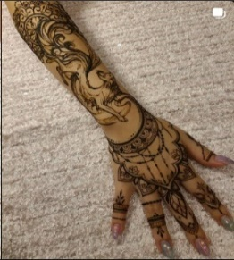 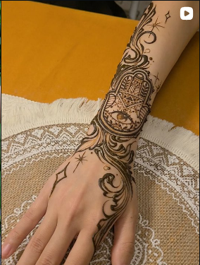 Traditional Indian henna art created using natural henna dye. The design remains on the skin temporarily and fades naturally over time. #Henna #Art #Temporary #Seoul
 |  | Henna at Busan |  Traditional Indian henna art created using natural henna dye. The design remains on the skin temporarily and fades naturally over time. #Henna #Art #Temporary #Busan |  |  |  | For locations outside Seoul, Incheon, and Gyeonggi-do, travel time may be longer, so we recommend combining this experience with other activities in Busan or Ulsan.
 | Scalp treatment |  | A premium scalp care program at Eco Jardin, providing deep cleansing and revitalization of the scalp through delicate care by experienced professionals. The program includes consultation, diagnosis, scalp treatment, and styling. #Premium Scalp Care #Consultation & Diagnosis #Treatment #Styling #Seoul |  | 396.67 | ✔

10. Insurance

Insurance for Muslim VIP K-BMW Premium Tour

Premium Package |  |  |  |  |  |  |  |  |  |  | Information
Package | Partners | Service | Medical Coverage (USD) | Repatration | High-Value Items Coverage | Travel Delay / Cancellation | 24/7 Arabic Support | Concierge Service | Recommended for Muslim VIP | Notes
INSURANCE | Allianz Global Assistance | OneTrip Prime VIP | 500000 | Included |  | Included | Yes | Yes | Highly Recommended | Strong global medical network | https://buly.kr/6Mt081U
 | AXA Assistance | Platinum Premium | 300000 | Included |  | Included | Yes | Optional | Recommended | Flexible upgrade options
 | IMG Global | Platinum Traveler | 500,000+ | Included |  | Optional | English Only | Yes | Medical-Focused VIP | Excellent evacuation coverage

